Graphical Flow
COMPLAINT1
Open Order / Notification Exists (Premise)
LEGEND
Keyword List
Scenario
Check for open orders using the keyword notification code
Scenario | Keyword ID | Order Code | Notif Code | Long Text Pre-Fill | Keyword Text COMPLAINT1 | CC0000 | | ZESC | | CUSTOMER COMPLAINT
View
Pop-up
ZSO_ENH 010
Open Order Exists
!
TRUE
FALSE
Popup
Override
Popup With Override
CallerInfoEF V1
Caller Info
CallerInfoEF [Caller Type Radiobutton and Inputbox]
Based on the answer, do the following:
- 911: add "Caller Type = 911"
- Internal : add "Caller Type = Internal/[Caller Type Inputbox Text]"
- Other: add "Caller Type = Other/[Caller Type Inputbox Text]"
Error Message
!
Warning Message
Is Premise Confirmed?
Attribute / Data Object / UI Method Call
Set / Return Attribute Back to UI
FALSE
TRUE
NonPremiseSLEF
Non-Prem-Service Location Entry
Switch Tree
Sub-Tree
MethodReceivedEF
Method Received
Create Notification Only
Create Notification and Order
EnergyTypeEF V2
Energy Type
(Electric, Gas or Both)
Add to System Text
Comment
ComplaintTypeEF
Class of Complaint

ProblemDescEF
Problem Description
ProblemDescEF [Problem Description Inputbox]
Add "Problem Desc = [Problem Description Inputbox]"
TextEF V1
Long Text
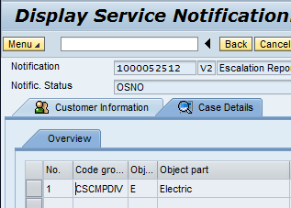
Add the following coding group and code to the "Case Details" tab of the notification:
Coding Group: CSCMPDIV (Service Type)
Code: one of the following based on the radiobutton selection from the EnergyTypeEF view:
- C (Combination)
- E (Electric)
- G (Gas)
Escalation Report

SummaryEF Complaint
Complaints

